Bone Mets
Breast
 |  | 2000 in 5 or 2400 in 6 | 3000 in 10 | 3500 in 14, 4000 in 20 | Site List

Template Name 24 characters max | Bone Mets 1 fx | Bone Mets 5-6 fx | Bone Mets 10 fx | Bone Mets >10 fx
Intent | Palliative | Palliative | Palliative | Palliative
Treatment Prescription
Site 24 characters max | None | None | None | None
Prescription Name 13 characters max | change | change | change | change
Fractions | 1 | 5 | 10 | 14
Prescribe to: (Volume/Depth/Isocenter/% Isodose) | Volume | Volume | Volume | Volume
Volume Name/Depth (cm) | PTV | PTV | PTV | PTV
Total Dose (cGy) | 800 | 2000 | 3000 | 3500
cGy/fx | 800 | 400 | 300 | 250
Mode (Photon/Electron/Brachytherapy) | Photon | Photon | Photon | Photon
Technique | 3D Conformal: Multi Field | 3D Conformal: Multi Field | 3D Conformal: Multi Field | 3D Conformal: Multi Field
Primary/Boost | Primary | Primary | Primary | Primary
Energy
Frequency | 01 fx per day, 5 fx per week | 01 fx per day, 5 fx per week | 01 fx per day, 5 fx per week | 01 fx per day, 5 fx per week
Treatment Management
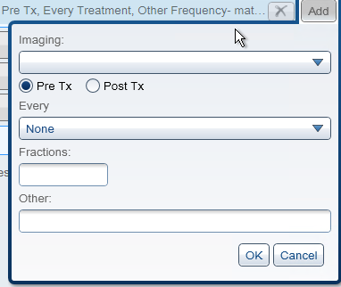
Imaging (CBCT/kVkV/MV/Portal Image)
Pre Tx or Post Tx
Every
Fractions
Other
Gating
Bolus
Breakpoint
Labs
Simulation (Y/N) | Yes | Yes | Yes | Yes
Notes | Organ at Risk doses refer to total composite dose of all plans. Organs-at-risk that are outside of the irradiated area and not expected to receive significant dose may be excluded from contouring and DVH reporting. | Organ at Risk doses refer to total composite dose of all plans. Organs-at-risk that are outside of the irradiated area and not expected to receive significant dose may be excluded from contouring and DVH reporting. | Organ at Risk doses refer to total composite dose of all plans. Organs-at-risk that are outside of the irradiated area and not expected to receive significant dose may be excluded from contouring and DVH reporting. | 3500-5000cGy, 200-250 cGy per fraction in 14-25 fractions Organ at Risk doses refer to total composite dose of all plans. Organs-at-risk that are outside of the irradiated area and not expected to receive significant dose may be excluded from contouring and DVH reporting.
Prescription Coverage Constraints
Structure 1 | PTV | PTV | PTV | PTV
Min Dose %
Max Dose % | 115% | 115% | 115% | 115%
At least 90% of structure at #% | 90% | 90% | 90% | 90%
At least 95% of structure at #%
At least 99% of structure at #%
Organ at Risk Constraints
Critical Structure 1 |  |  | SpinalCord | SpinalCord
Structure Code |  |  | 7647 | 7647
Max Dose [cGy] |  |  | 3600 | 4500
Mean Dose
V31Gy |  |  | 5cc
Critical Structure 2 |  |  | Brainstem
Structure Code |  |  | ???
Max Dose [cGy]
Mean Dose
V32Gy |  |  | 5cc
Critical Structure 3 |  |  |  | Esophagus
Structure Code |  |  |  | 7131
Max Dose [cGy]
Mean Dose |  |  |  | 3400
Critical Structure 4 |  |  | Kidney | Kidney
Structure Code |  |  | ??? | ???
Max Dose [cGy]
Mean Dose
V20Gy |  |  |  | 30%
V30.7Gy |  |  | 15cc
Critical Structure 5 |  |  |  | Heart
Structure Code |  |  |  | 7088
Max Dose [cGy]
Mean Dose |  |  |  | 3500
V40Gy |  |  |  | 50%

